bugs
Bug id | 1
Summary | Impossible to sign petition after taping on the board
Severity | minor
Priority | medium
Preconditions
Steps | 1. Open the app; 2. Tap on the board on the Gas station; 3. Tap on the message
Actual result | After taping on the message, the page opens with information that domain is not connected to a website yet
Expected result | After taping on the message, the page should open in brose that consists information about petition
Enviroment | iphone 12; iOS 15.6.1
Version build
Attachments
Type | ui

Bug id | 2
Summary | the empoloye goes not out from the Hospital after finishing time of treatment
Severity | major
Priority | medium
Preconditions | You shoul have a hire stuff
Steps | 1. Click on employe 2. Click “Start mission” 3. Choose “Intimidate” 4. Click on the “Binoculars” when exclamation mark appears near of it 5. Click on the button “Run” 6. Click on the “Binoculars” when exclamation mark appears near of it 7. Click on the button “In hospital” 8. Click on the “Hospital” and Check if the time of being in the “Hospital” is over 9. Check if on the table “Hired stuff” near the employe is inscription “NONE” 10. Click on the button ‘hired stuff” 11. Click on the button ‘Search” near the employe
Actual result | When the time of being in the hospital is over and on the table “Hired stuff” near the worker is the inscription “NONE”, the employe does not go out from the Hospital
Expected result | When the time of being in the hospital is over and on the table “Hired stuff” near the worker is the inscription “NONE”, hired worker should go out from the Hospital and stand near
Enviroment | iphone 12; iOS 15.6.1
Version build
Attachments
Type | functional

Bug id | 3
Summary | After tap on the "Dead drop" on the Shop menu, a case does not open
Severity | major
Priority | high
Preconditions
Steps | 1. Open the app; 2. Tap on the button "Shop"; 3. tap on the "Dead drop"
Actual result | After taping on the "Dead drop", a case does not open
Expected result | After taping on the "Dead drop", a case should be opened
Enviroment | iphone 12, iOS 15.6.1
Version build
Attachments
Type | functional

Bug id | 4
Summary | Impossible to watch video with game's basics
Severity | minor
Priority | medium
Preconditions
Steps | 1. Open the app; 2. tap on the settings 3. tap on the button "watch tutorial"
Actual result | After taping on the button, the page opens with information that domain is not connected to a website yet
Expected result | After taping on the button "Watch tutorial", the page should open with video
Enviroment | iphone 12, iOS 15.6.1
Version build
Attachments
Type | ui

Bug id | 5
Summary | Impossible to read the privacy policy in settings menu
Severity | minor
Priority | medium
Preconditions
Steps | 1. Open the app; 2. tap on the settings 3. tap on the button "privacy policy"
Actual result | After taping on the button, the page opens with information that domain is not connected to a website yet
Expected result | After taping on the button "Watch tutorial", the page should open with information about privacy policy
Enviroment | iphone 12, iOS 15.6.1
Version build
Attachments
Type | ui

Bug id | 6
Summary | the app is not supported on the screen with 2532x1170 screen resolution
Severity | major
Priority | high
Preconditions | You shoul have a phone with 2532x1170 screen resolution
Steps | 1. install the app; 2. open the app
Actual result | The app does not cover all the screen, there are black stripes above and below
Expected result | The app shoul cover all the screen
Enviroment | iphone 12, OS 15.6.1
Version build
Attachments | 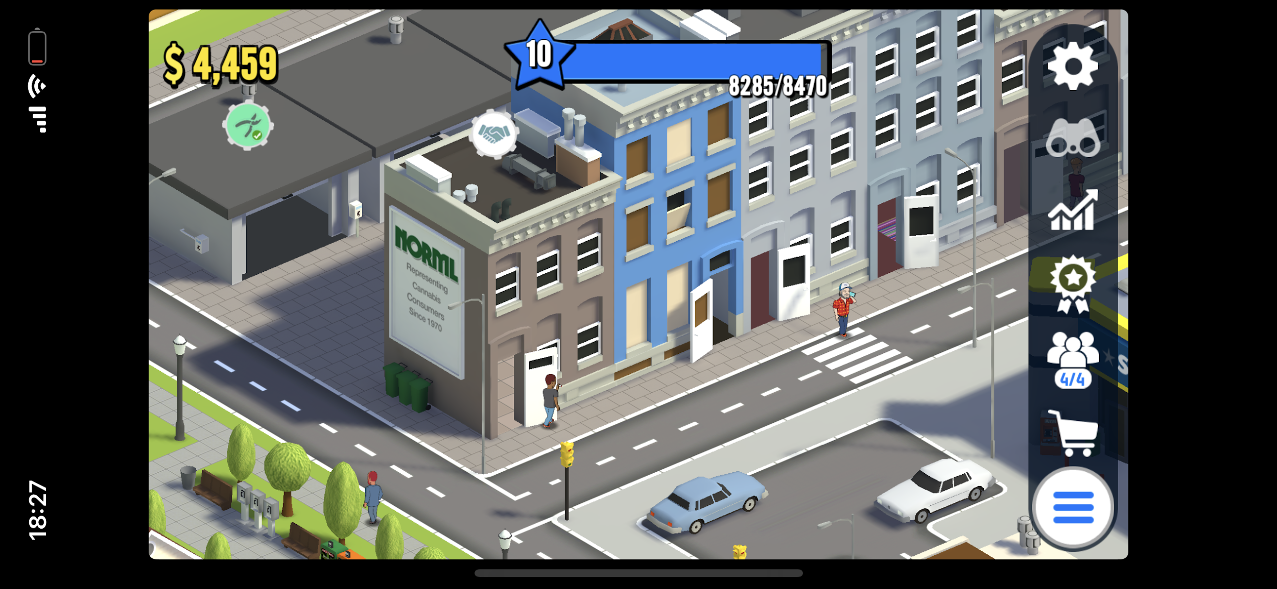
Type | ui

Bug id | 7
Summary | Impossible to change the name of employe in ukrainian language
Severity | minor
Priority | miedum
Preconditions | You should have a hire staff
Steps | 1. Open app “Hemp” 2. Click on the employe 3. Click on the button “Pensil” 4. Write on the text field “Олень”
Actual result | When you change the name of hired worker using ukrainian language, written text disappears
Expected result | When you change the name of hired worker using ukrainian language, written text should appear and the name can be changed
Enviroment | iphone 12; iOS 15.6.1
Version build
Attachments
Type | ui

Bug id | 8
Summary | The hire stuff doesn't water the plant
Severity | medium
Priority | medium
Preconditions | The player should have hire stuff in Garage
Steps | 1. open the app 2. open the Garage 3. plant the seeds 4. click on the soil and do autoplanting
Actual result | the employe does not water the plant, the button of manual watering appears under the plant
Expected result | the employe shoukd water the plant which is linked to auto planting
Enviroment | iphone 12; iOS 15.6.1
Version build
Attachments
Type | ui

Bug id | 9
Summary | The window with the list of buildings in the Garage does not meet with specifications
Severity | medium
Priority | high
Preconditions
Steps | 1. open the app 2. open the Garage 3. tap on the Trading route button
Actual result | The window looks like the table
Expected result | Window has two columns: building slots with actual buildings images from the map and a status which shows whether building has been linked or not.
Enviroment | iphone 12; iOS 15.6.1
Version build
Attachments | 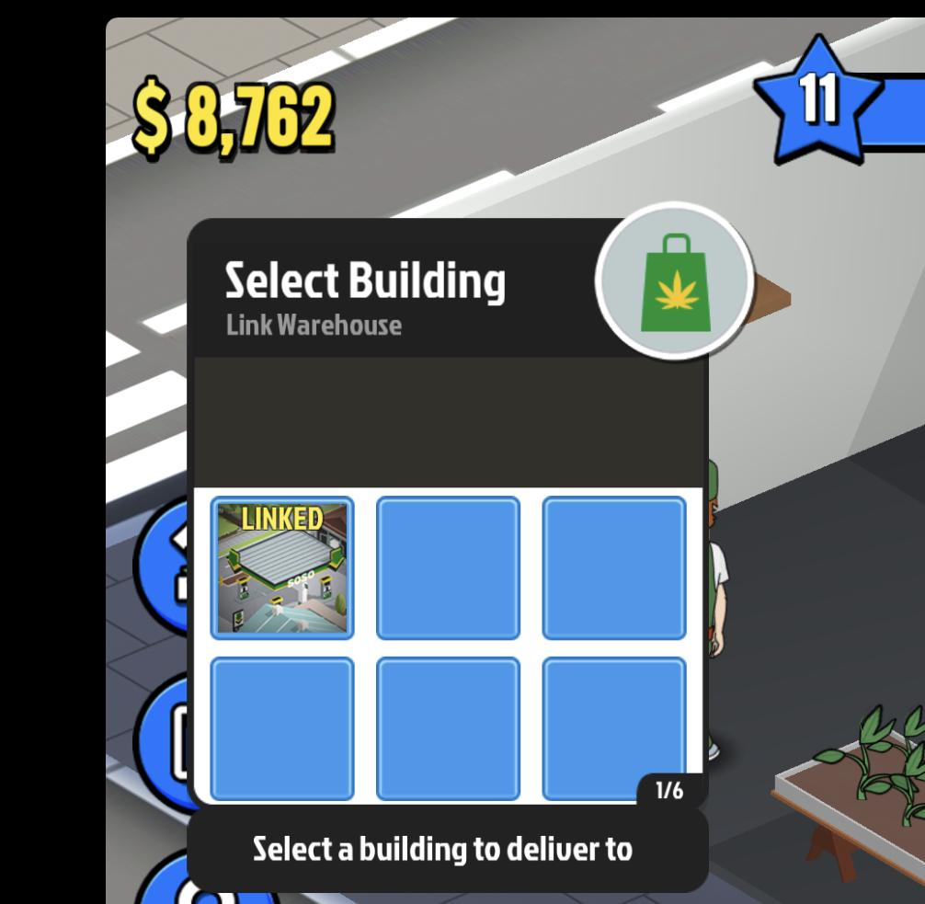
Type | ui

Bug id | 10
Summary | the hite area of the list of the buildings does not change according to the state
Severity | medium
Priority | high
Preconditions
Steps | 1. open the app 2. open the Garage 3. tap on the Trading route button
Actual result | The text of hite area does not change
Expected result | the hite area of the list of the buildings changes according to the state and has to give different notifications
Enviroment | iphone 12; iOS 15.6.1
Version build
Attachments
Type | functional

Bug id | 11
Summary | he slots frame does not change colour depending on building status
Severity | minor
Priority | high
Preconditions | the user should have a Warehouse to get opportunity to link the buildings
Steps | 1. open the app 2. open the Garage 3. tap on the Trading route button 4. link and unlink the buildings
Actual result | the frame of slots have broun color and don't change if i link or unlink the buildings
Expected result | yellow frame and Text linked shows that the building has been linked.Green frame are for Warehouses which has no connections.
Enviroment | iphone 12; iOS 15.6.1
Version build
Attachments
Type | functional

Bug id | 12
Summary | the hite area of the list of the buildings does not change according to the state
Severity | medium
Priority | high
Preconditions
Steps | 1. open the app 2. open the Gas station 3. tap on the Trading route button under conveyor
Actual result | The text of hite area does not change
Expected result | the hite area of the list of the buildings changes according to the state and has to give different notifications
Enviroment | iphone 12; iOS 15.6.1
Version build
Attachments | 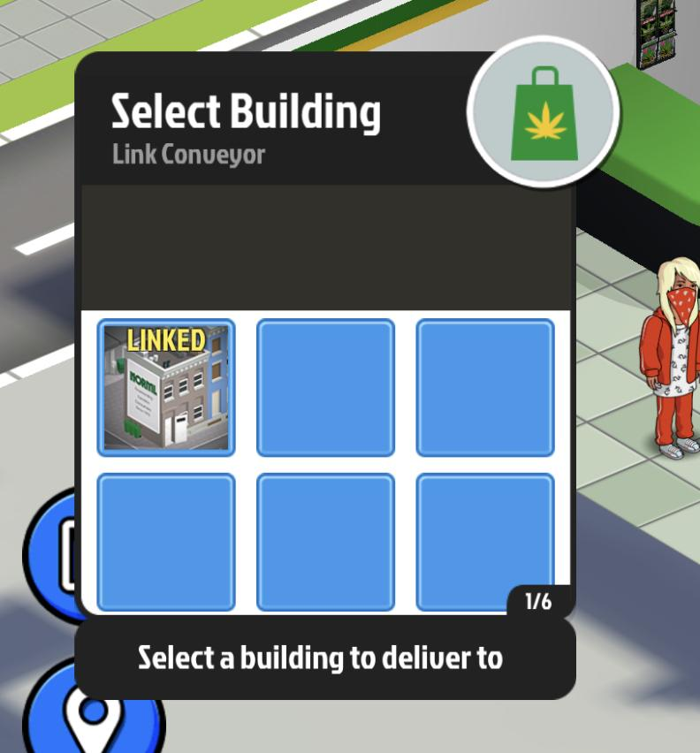
Type | functional

Bug id | 13
Summary | no massage about absence of building of selected type appears in the window in the list of buildings
Severity | medium
Priority | medium
Preconditions | The user should have the warehouse. The user have one free conveyour and no buildings to link with
Steps | 1. open the app 2. open the Gas station 3. tap on the button under the convryor
Actual result | We do not have a message in a window, only ampty slots
Expected result | If we don’t have any building of selected type, we will see a message in a window (see UI flow).
Enviroment | iphone 12; iOS 15.6.1
Version build
Attachments | 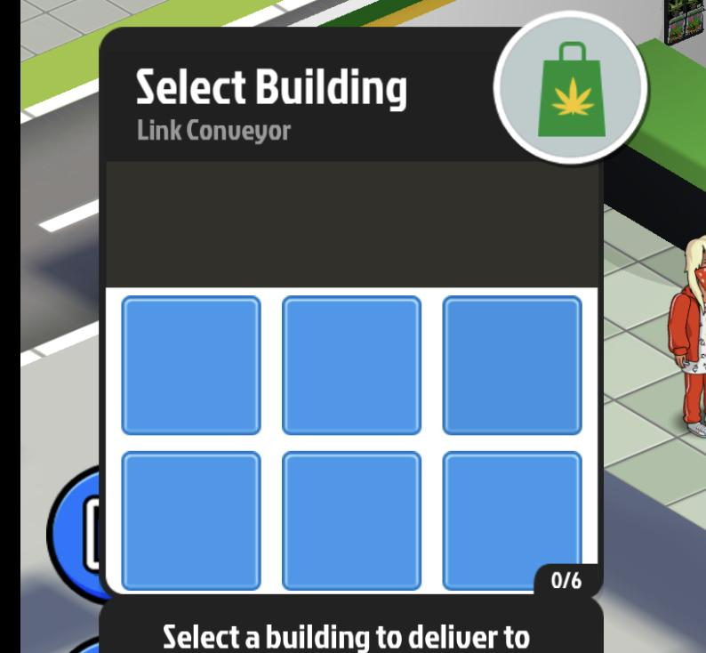
Type | ui

Bug id | 14
Summary | The window with the list of buildings in the Gas station does not meet with specifications
Severity | medium
Priority | high
Preconditions | The user shoud have the Gas station
Steps | 1. open the app 2. open the Gas station 3. tap on the Trading route button under the conveyor
Actual result | The window looks like the table
Expected result | Window has two columns: building slots with actual buildings images from the map and a status which shows whether building has been linked or not.
Enviroment | iphone 12; iOS 15.6.1
Version build
Attachments
Type | ui

Bug id | 15
Summary | he slots frame does not change colour depending on building status
Severity | minor
Priority | high
Preconditions | the user should have a Gas station
Steps | 1. open the app 2. open the Gas station 3. tap on the Trading route button under the conveypur 4. link and unlink the buildings
Actual result | the frame of slots have broun color and don't change if i link or unlink the buildings
Expected result | yellow frame and Text linked shows that the building has been linked.Green frame are for Warehouses which has no connections.
Enviroment | iphone 12; iOS 15.6.1
Version build
Attachments
Type | functional

Bug id | 16
Summary | linked shops frame is not yellow in the list of buildings in Gas station
Severity | medium
Priority | medium
Preconditions | the user should have the gas station
Steps | 1. open the app 2. open the Gas station 3. tap on the Trading route button under the conveypur
Actual result | The frame of linked shop is broun
Expected result | Yellow frame and Text linked shows that the building has been linked.
Enviroment | iphone 12; iOS 15.6.1
Version build
Attachments
Type | ui

Bug id | 17
Summary | the employe does not move the jars from the shelves to conveyor at the Gas station
Severity | medium
Priority | medium
Preconditions | The user should have a hire stuff. the user should hire stuff to the Gas station. There should be jars on the shelf in the Gas station
Steps | 1.open the app 2.open the Gas station
Actual result | the employe does not move the jars from the shelves to conveyor
Expected result | the employe has to move the jars from the shelves to conveyor
Enviroment | iphone 12; iOS 15.6.1
Version build
Attachments
Type | funtional

Bug id | 18
Summary | the employe does not sort the jars on the conveyor at the Gas station
Severity | medium
Priority | medium
Preconditions | The user should have a hire stuff. the user should hire stuff to the Gas station. There should be jars on the shelf in the Gas station
Steps | 1. open the app 2. open the Gas station 3. tap on the button to sort jars 4. choose “High demand”
Actual result | the employe does not sort the jars on the conveyor at the Gas station
Expected result | the employe has to sort the jars on the conveyor at the Gas station
Enviroment | iphone 12; iOS 15.6.1
Version build
Attachments
Type | funtional

Bug id | 19
Summary | the icon that appears above the conveyor when the storage is full is not yellow
Severity | medium
Priority | medium
Preconditions | The user should have a hire stuff. the user should hire stuff to the Gas station. The warehouse shoud be full
Steps | 1.open the app 2.open the Gas station
Actual result | the icon that appears above the conveyor when the storage is full is not yellow. there is the text on the grey frame
Expected result | when the warehouse is full, the player sees the alert (inside the building it is an icon above the conveyor, colored yellow and outside it is a notification, described in Notifications doc).
Enviroment | iphone 12; iOS 15.6.1
Version build
Attachments | 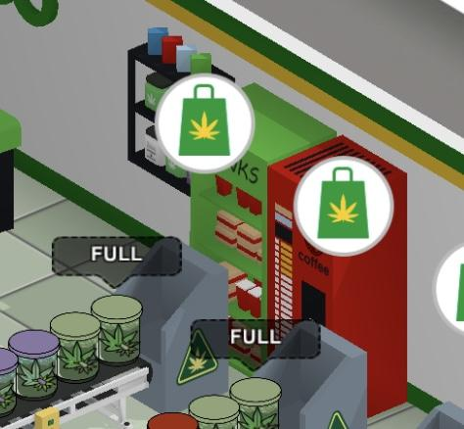
Type | ui

Bug id | 20
Summary | the employe does not carry of jars at the Gas station
Severity | medium
Priority | medium
Preconditions | The user should have a hire stuff. the user should hire stuff to the Gas station.
Steps | 1.open the app 2.open the Gas station
Actual result | the employe does not carry the jars, he is standing
Expected result | the employe has to carry the jars
Enviroment | iphone 12; iOS 15.6.1
Version build
Attachments
Type | funtional

Bug id | 21
Summary | it is not always possible manual sorting at the Gas station
Severity | medium
Priority | medium
Preconditions | the user should have the Gas station. there are should be jars at the shelves and conveyor
Steps | 1.open the app 2.open the Gas station 3. drag the jar from the conveyor to the shelf
Actual result | The jar does not drag from conveyour to the shelf. But it is possible to drug the jar from the shelf to the conveyor
Expected result | the user can do manual sorting of jars at the Gas stations
Enviroment | iphone 12; iOS 15.6.1
Version build
Attachments
Type | functional

Bug id | 22
Summary | there are not all types of sorting the jars at the conveyors
Severity | high
Priority | high
Preconditions | the user should have the warehouse. the user should hire staff at the warehouse
Steps | 1. open the app; 2. open the warehouse; 3. tap on the button under the conveyor
Actual result | There are only two types of sorting: high demand and no sorting
Expected result | Order Priority popup: High / Low demand priority and No sorting.
Enviroment | iphone 12; iOS 15.6.1
Version build
Attachments | 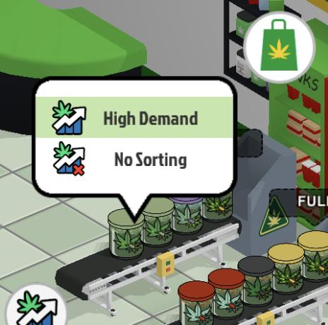
Type | functional

core loop
